5.21
Case Contact Name | Location | CaseNumber | Member | Description | Resolution Notes
姓名：刘靖 日期：2025.05.28-2025.05.29 渠道：飞猪 | 1001 | 693622574 | Platinum Elite | 客人自称吃到菠萝有白色菌丝 The guest claimed to have found white mycelium on the pineapple. | 5月28日16：00左右客人反馈给酒廊员工Lumi表示发现吃的菠萝切块有白色菌丝，Lydia第一时间致歉并联系卫生专员王菊和西餐厅benson查看，经过benson查看后发现是在处理菠萝的洞时没有处理好，不是坏的。Lydia再次跟客人解释，并表示赠送水果到房间，客人接受。大概1900左右发现客人发布小红书表示身体不舒服，目前lydia再次进行短信致歉，客人暂时未回复。GSM 团队持续跟进。 On May 28th, around 16:00, a guest reported to lounge staff member Lumi that they found white mold on the pineapple chunks they were eating. Lydia immediately apologized and contacted health supervisor Wang Ju and Western restaurant staff member Benson to check the issue. After Benson's inspection, it was found that the mold occurred due to improper handling of the pineapple core, and it was not spoiled. Lydia explained this again to the guest and offered to send fruits to their room, which the guest accepted. Around 19:00, it was discovered that the guest posted on Xiaohongshu stating they were feeling unwell. Lydia sent another text message to apologize, but the guest has not responded yet.The GSM team is continuously following up. | 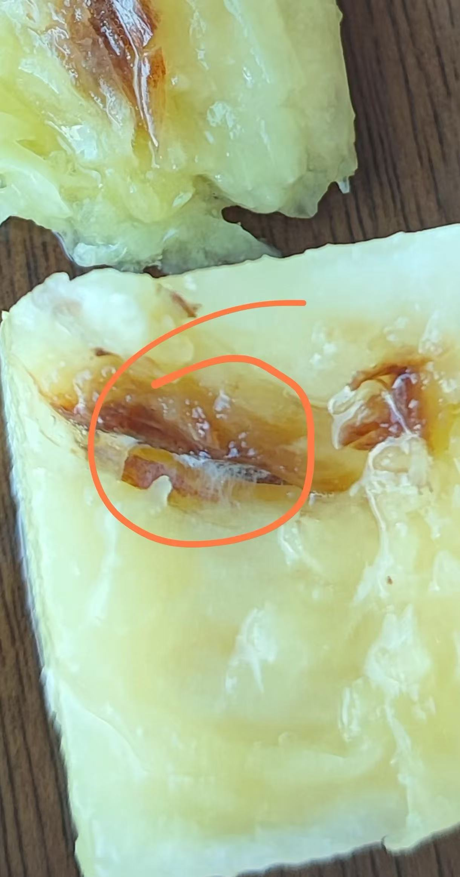

姓名：孙翔 日期：2025.5.28-2025.5.29 渠道：飞猪 | 1627 | 693717575 | Platinum Elite | 睡觉时被虫子咬醒. I was awakened by insect bites while sleeping. | 04:12客人致电前台告知房间被有虫子，需要值班经理回电，NM致电客人致歉，客人称自己睡觉时被虫给咬醒，睡眠质量得不到保证，且明天还要外出，要求酒店退还房费，NM向客人致歉并委婉的拒接客人请求，NM提出给客人安排送机服务，客人不接受，就要求退房费，经过沟通，给客人曾双人自助晚餐，客人满意并答应给好评。 At 04:12, the guest called the front desk to inform that there were insects in the room and requested a call back from the duty manager. NM called the guest to apologize. The guest stated that they were awakened by insect bites while sleeping, their sleep quality could not be guaranteed, and they had to go out the next day, demanding a room fee refund. NM apologized to the guest and politely declined the request, proposing to arrange airport transfer service for the guest. The guest refused and insisted on a room fee refund. After communication, the guest was offered a complimentary double buffet dinner, and they were satisfied and agreed to give a good review. | 